SKETCH
OFFICIAL DATA - XC60 |  | MY24 - 23w46 | Page 9
Version 3 | Date: 2023-11-09 | (Model code 246)
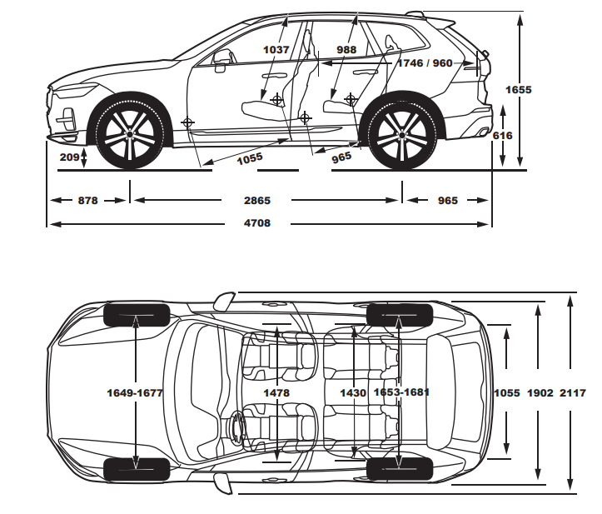

XC60

Latest version always available at VCC Content Store |  | https://contentstore.volvocars.biz

SKETCH HYBRID
OFFICIAL DATA - XC60 |  | MY24 - 23w46 | Page 10
Version 3 | Date: 2023-11-09 | (Model code 246)
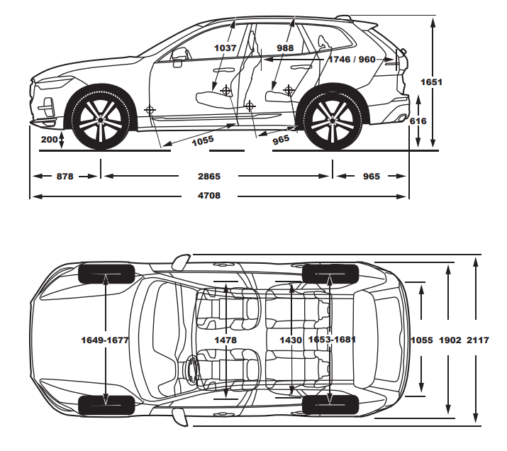

XC60 HYBRID

Latest version always available at VCC Content Store |  | https://contentstore.volvocars.biz

